Enviroment
cptsvs...
<name1>
cptsvs...
cptsvs....
/app1

/app2
cptsvs...
<name2>

DB dirgram
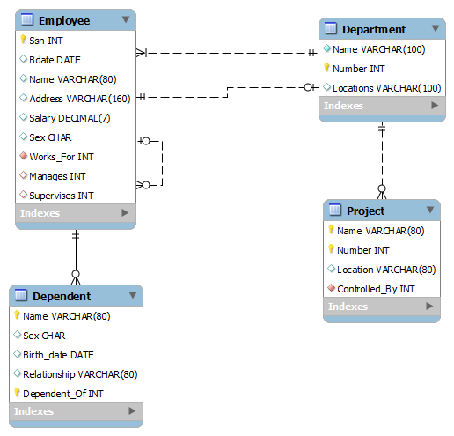
** Standard software for create ER

1
Create date
Funtion Name |  | Login |  |  |  | Create By | 20211109
Out Line |  | User's login

 | Component name Login

 |  |  |  |  |  | Controllers.userController

Username
 |  |  |  |  |  | post /loin
 |  |  |  |  |  | ActionResult: Login() |  | Database
 |  |  |  | Request.loginRequest
 |  |  |  | -username:String
******
 |  |  |  | -password: String
 |  |  |  |  |  |  |  | userSchema
 |  |  |  |  |  |  |  | -name
Loin
 |  |  |  |  |  |  |  | -dept
 |  |  |  |  |  |  |  | -div

Input username, password

Verify user

 |  |  | Fail |  | Success

Display error message
Redirect to homepage

